Source
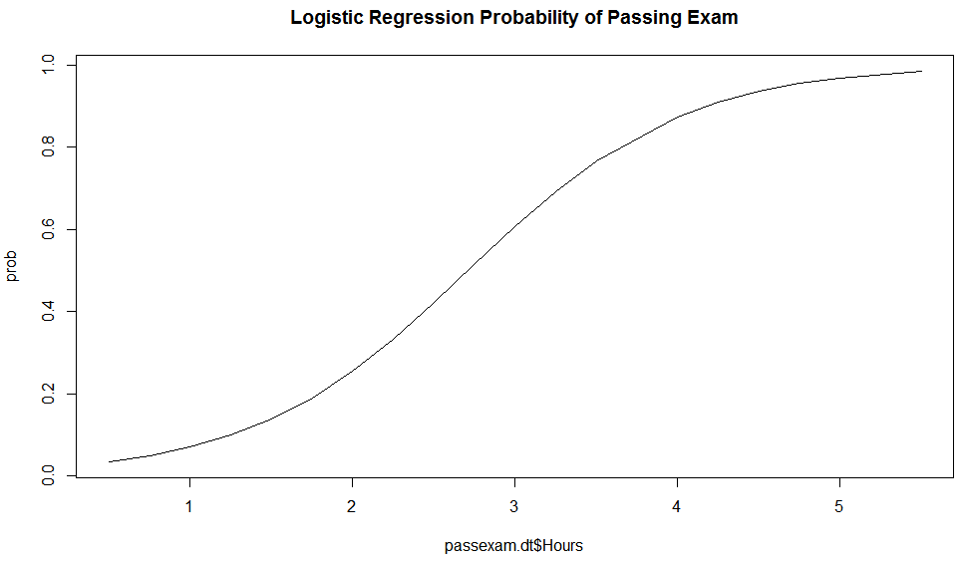
https://en.wikipedia.org/wiki/Logistic_regression

A group of 20 students spends between 0 and 6 hours studying for an exam. How does the number of hours spent studying affect the probability of the student passing the exam?

The table shows the number of hours each student spent studying, and whether they passed (1) or failed (0).

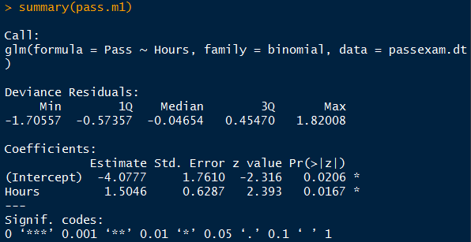

$z=−4.0777+1.5046(Hours)$
$$P\left(Y=1\right)= \frac{1}{1+e^{−z}}$$

